Cover
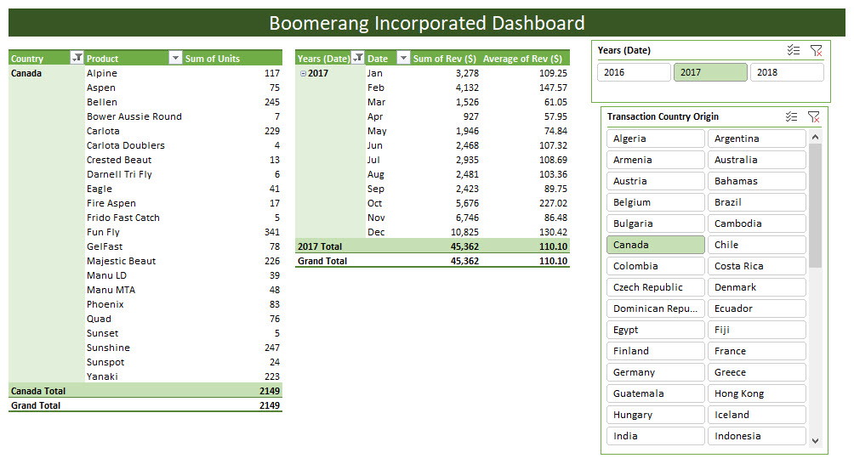

E-DAB 04
Data Analysis & Business
Intelligence Made Easy with |  | 
Excel Power Tools
PivotTables |  |  | 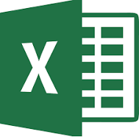 | PivotTables
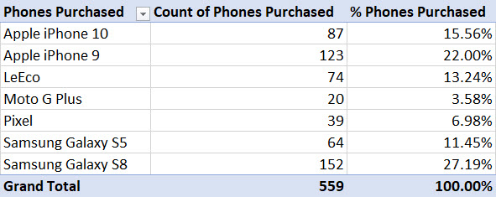
Best Data Analysis Tool Ever!

Excel Data Analysis Basics

Data
Data Types
Proper Data Sets
Excel Tables
Sort
Filter
Logical Tests

 | PivotTables Best Data Analysis Tool Ever!

CrossTab
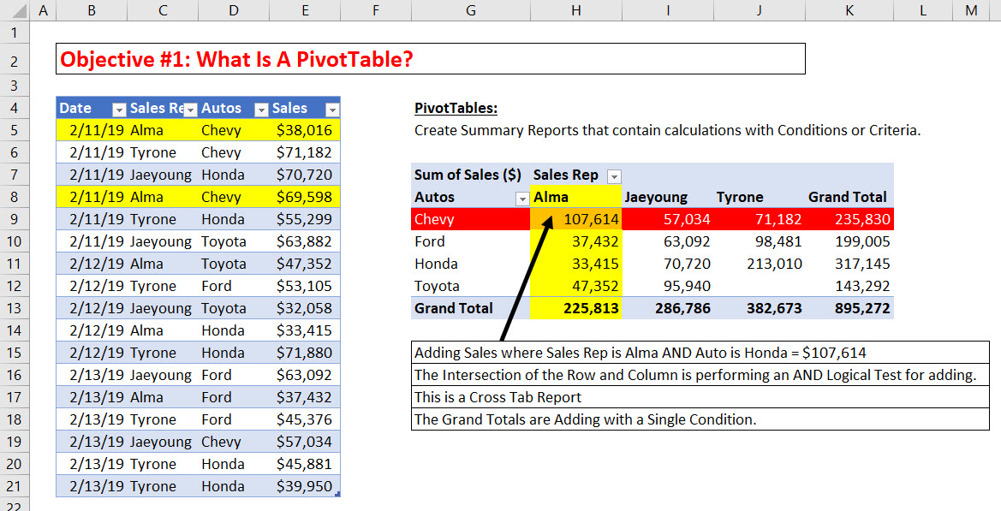
Objective #1: What Is A PivotTable?

Date | Sales Rep | Autos | Sales | PivotTables:
2019-02-11 | Alma | Chevy | $38,016 | Create Summary Reports that contain calculations with Conditions or Criteria.
2019-02-11 | Tyrone | Chevy | $71,182 |  |  | Steps:
2019-02-11 | Jaeyoung | Honda | $70,720 |  | 1 | Proper Data Set
2019-02-11 | Alma | Chevy | $69,598 |  | 2 | Click in One Cell in Proper Data Set
2019-02-11 | Tyrone | Honda | $55,299 |  | 3 | Insert Ribbon Tab, Tables group, PivotTable button (Keyboard = Alt, N, V)
2019-02-11 | Jaeyoung | Toyota | $63,882 |  | 4 | Select Location for PivotTable, Click OK
2019-02-12 | Alma | Toyota | $47,352 |  | 5 | From Field List, drag field name to Rows area or Columns area or Filter area.
2019-02-12 | Tyrone | Ford | $53,105 |  | 6 | From Field List drag the field you would like to make a calculation on to Values area.
2019-02-12 | Jaeyoung | Toyota | $32,058 |  | 7 | “Show in Tabular Form”
2019-02-12 | Alma | Honda | $33,415 |  | 8 | Number Formatting
2019-02-12 | Tyrone | Honda | $71,880 |  | 9 | Why called PivotTable?
2019-02-13 | Jaeyoung | Ford | $63,092 |  | 10 | Change the summary calculation in the Values area
2019-02-13 | Alma | Ford | $37,432 |  | 11 | PivotTable Styles
2019-02-13 | Tyrone | Ford | $45,376 |  | 12 | Name PivotTable
2019-02-13 | Jaeyoung | Chevy | $57,034 |  | 13 | If your Field List goes away
2019-02-13 | Tyrone | Honda | $45,881 |  | 14 | If source data changes, you must Refresh the PivotTable
2019-02-13 | Tyrone | Honda | $39,950 |  | 15 | Inside the Pivot
 |  |  |  |  | 16 | PivotTable Cached Data

2019-01-14 | Alma | Ford | 31980
2019-01-14 | Tyrone | Toyota | 45789
2019-01-14 | Jaeyoung | Honda | 55299
2019-01-14 | Alma | Toyota | 63882
2019-01-14 | Tyrone | Toyota | 47352
2019-01-14 | Jaeyoung | Chevy | 29870
2019-01-14 | Alma | Honda | 31852

Compare
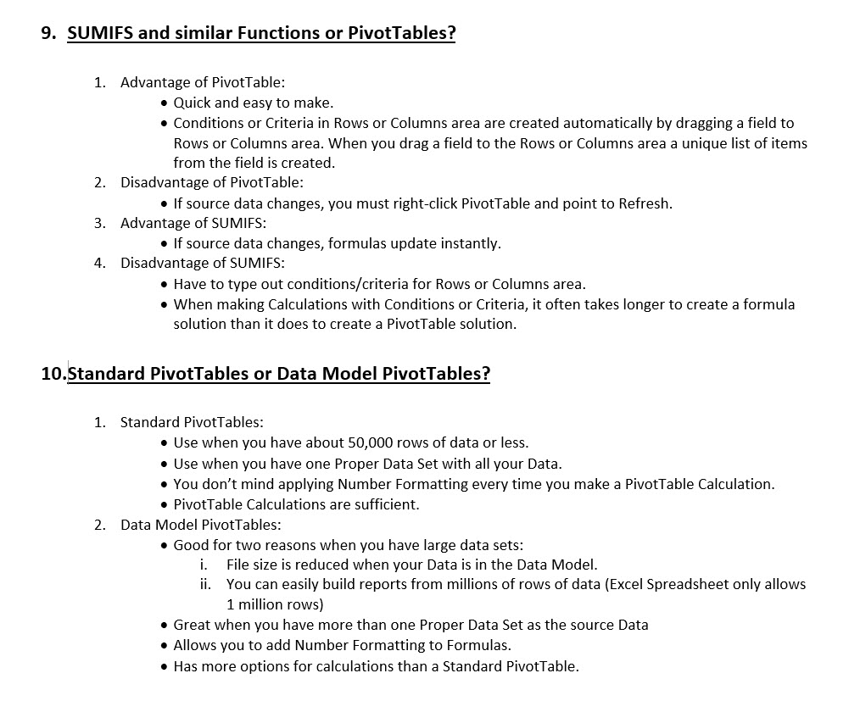
Objective #9: SUMIFS and similar Functions or PivotTables?
Objective #10: Standard PivotTables or Data Model PivotTables?

